Sheet1

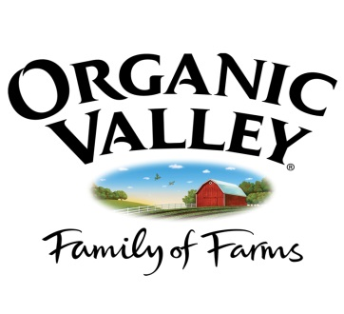
 |  | VAN TOL DAIRY
 |  | Gerrit & Karen van Tol
 |  | 37211 NE 94th Ave
 |  | La Center, Washington
 |  | 98629
 |  | (360) 263-3499
Justin van Tol |  | Year 2013
532-31-9582
10113 NE 379th St
La Center, WA 98629
(360) 904-3406

 | # of | $15/hr | Social | Labor &
Pay Day | hours | Gross | Security | Industries | IRS | Net
 |  |  | 7.65% | .20745hr
 |  |  | $- | $-
2016-04-15 | 8 | $120.00 | $9.18 | $1.66 | $- | $109.16

Total | 8 | $120.00 | $9.18 | $1.66 | $- | $109.16

